Sheet1
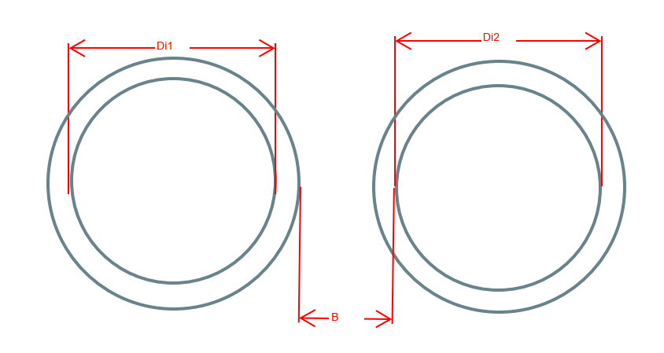
Material | Intern_dia | Thick_side | Thick_top | Thick_bot | Total_wid | Total_hei | Indbyrdes afstand
Concrete | 300 | 54 | 54 | 54 | 408 | 408 | Di1 | 1400 | mm
Concrete | 400 | 72 | 72 | 72 | 544 | 544 | Materiale 1 | Concrete
Concrete | 500 | 62 | 116 | 141 | 624 | 757 | Thick_side_1 | 165 | mm
Concrete | 600 | 71 | 110 | 169 | 742 | 879 | Di2 | 900 | mm
Concrete | 700 | 82 | 128 | 197 | 864 | 1025 | Materiale 2 | Concrete
Concrete | 800 | 94 | 146 | 225 | 988 | 1171 | Thick_side_2 | 105 | mm
Concrete | 900 | 105 | 164 | 253 | 1110 | 1317 | B1 | 500 | mm
Concrete | 1000 | 116 | 183 | 281 | 1232 | 1464 | B2 | 1920 | mm
Concrete | 1200 | 138 | 219 | 338 | 1476 | 1757
Concrete | 1400 | 165 | 256 | 394 | 1730 | 2050
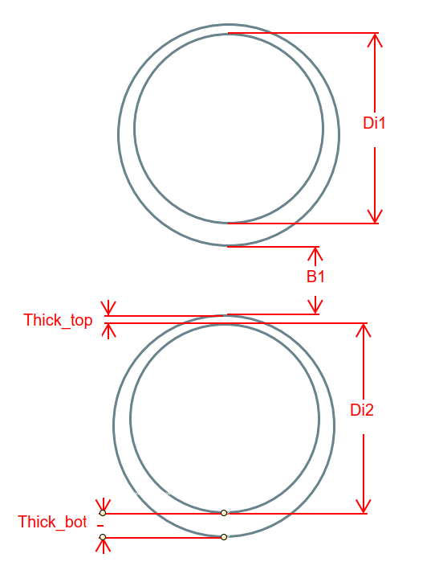
Concrete | 1600 | 188 | 290 | 450 | 1976 | 2340
GAP | 300 | 12 | 12 | 12 | 324 | 324
GAP | 350 | 13.2 | 13.2 | 13.2 | 376.4 | 376.4
GAP | 400 | 13.65 | 13.65 | 13.65 | 427.3 | 427.3 | Dybde
GAP | 450 | 12.9 | 12.9 | 12.9 | 475.8 | 475.8 | Di1 | 800 | mm
GAP | 500 | 15.15 | 15.15 | 15.15 | 530.3 | 530.3 | Materiale 1 | Concrete
GAP | 600 | 16.5 | 16.5 | 16.5 | 633 | 633 | Thick_bot_1 | 225 | mm
GAP | 700 | 9.25 | 9.25 | 9.25 | 718.5 | 718.5 | Di2 | 1000 | mm
GAP | 800 | 10.25 | 10.25 | 10.25 | 820.5 | 820.5 | Materiale 2 | Plastic
GAP | 900 | 12 | 12 | 12 | 924 | 924 | Thick_bot_2 | 0 | mm
GAP | 1000 | 13.25 | 13.25 | 13.25 | 1026.5 | 1026.5 | B1 | 200 | mm
GAP | 1100 | 12.75 | 12.75 | 12.75 | 1125.5 | 1125.5 | B2 | 1425 | mm
GAP | 1200 | 14.5 | 14.5 | 14.5 | 1229 | 1229 | Invert Level_1 | 1.55 | moh
GAP | 1300 | 15.75 | 15.75 | 15.75 | 1331.5 | 1331.5 | Invert Level_2 | 0.13 | moh
GAP | 1400 | 16.75 | 16.75 | 16.75 | 1433.5 | 1433.5
GAP | 1500 | 18.25 | 18.25 | 18.25 | 1536.5 | 1536.5
GAP | 1600 | 19.25 | 19.25 | 19.25 | 1638.5 | 1638.5
GAP | 1700 | 19.75 | 19.75 | 19.75 | 1739.5 | 1739.5
GAP | 1800 | 20.75 | 20.75 | 20.75 | 1841.5 | 1841.5
GAP | 1900 | 22.25 | 22.25 | 22.25 | 1944.5 | 1944.5
GAP | 2000 | 23 | 23 | 23 | 2046 | 2046
GAP | 2100 | 24.25 | 24.25 | 24.25 | 2148.5 | 2148.5
GAP | 2200 | 25.25 | 25.25 | 25.25 | 2250.5 | 2250.5
GAP | 2300 | 27 | 27 | 27 | 2354 | 2354
GAP | 2400 | 27 | 27 | 27 | 2454 | 2454
GAP | 2500 | 26.75 | 26.75 | 26.75 | 2553.5 | 2553.5
GAP | 2600 | 28.75 | 28.75 | 28.75 | 2657.5 | 2657.5
GAP | 2700 | 29.25 | 29.25 | 29.25 | 2758.5 | 2758.5
GAP | 2800 | 29.25 | 29.25 | 29.25 | 2858.5 | 2858.5
GAP | 2900 | 31.25 | 31.25 | 31.25 | 2962.5 | 2962.5
GAP | 3000 | 32.5 | 32.5 | 32.5 | 3065 | 3065
GAP | 3100 | 33.25 | 33.25 | 33.25 | 3166.5 | 3166.5
GAP | 3200 | 34.5 | 34.5 | 34.5 | 3269 | 3269
GAP | 3300 | 35.25 | 35.25 | 35.25 | 3370.5 | 3370.5
GAP | 3400 | 36.5 | 36.5 | 36.5 | 3473 | 3473
GAP | 3500 | 37.25 | 37.25 | 37.25 | 3574.5 | 3574.5
GAP | 3600 | 38.25 | 38.25 | 38.25 | 3676.5 | 3676.5
GAP | 3700 | 39.25 | 39.25 | 39.25 | 3778.5 | 3778.5
GAP | 3800 | 40.25 | 40.25 | 40.25 | 3880.5 | 3880.5
GAP | 3900 | 41.25 | 41.25 | 41.25 | 3982.5 | 3982.5
GAP | 4000 | 42.5 | 42.5 | 42.5 | 4085 | 4085
Plastic | 200 | 0 | 0 | 0 | 0 | 0
Plastic | 300 | 0 | 0 | 0 | 0 | 0
Plastic | 400 | 0 | 0 | 0 | 0 | 0
Plastic | 500 | 0 | 0 | 0 | 0 | 0
Plastic | 600 | 0 | 0 | 0 | 0 | 0
Plastic | 700 | 0 | 0 | 0 | 0 | 0
Plastic | 800 | 0 | 0 | 0 | 0 | 0
Plastic | 900 | 0 | 0 | 0 | 0 | 0
Plastic | 1000 | 0 | 0 | 0 | 0 | 0
Plastic | 1100 | 0 | 0 | 0 | 0 | 0
Plastic | 1200 | 0 | 0 | 0 | 0 | 0
Plastic | 1300 | 0 | 0 | 0 | 0 | 0
Plastic | 1400 | 0 | 0 | 0 | 0 | 0
Plastic | 1500 | 0 | 0 | 0 | 0 | 0
Plastic | 1600 | 0 | 0 | 0 | 0 | 0
Plastic | 1700 | 0 | 0 | 0 | 0 | 0
Plastic | 1800 | 0 | 0 | 0 | 0 | 0
Plastic | 1900 | 0 | 0 | 0 | 0 | 0
Plastic | 2000 | 0 | 0 | 0 | 0 | 0
Plastic | 2100 | 0 | 0 | 0 | 0 | 0
Plastic | 2200 | 0 | 0 | 0 | 0 | 0
Plastic | 2300 | 0 | 0 | 0 | 0 | 0
Plastic | 2400 | 0 | 0 | 0 | 0 | 0
Plastic | 2500 | 0 | 0 | 0 | 0 | 0
Plastic | 2600 | 0 | 0 | 0 | 0 | 0
Plastic | 2700 | 0 | 0 | 0 | 0 | 0

